START F125SE
BIKE CODE FOR ORDERS: 23-LITE-110-RACE |  | 2023-01-01 | BIKE DESCRIPTION NAME: LITE F110 RACE 2023
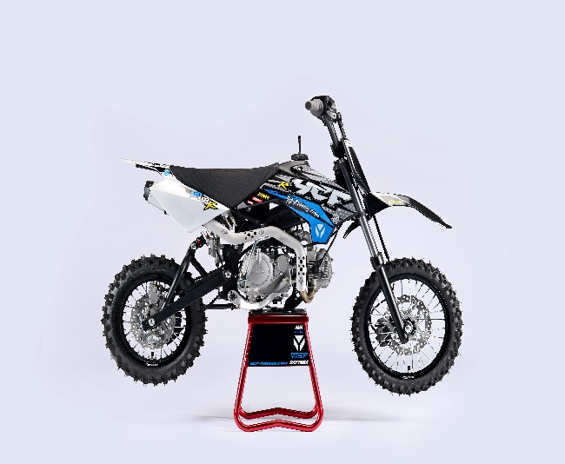 |  |  |  | 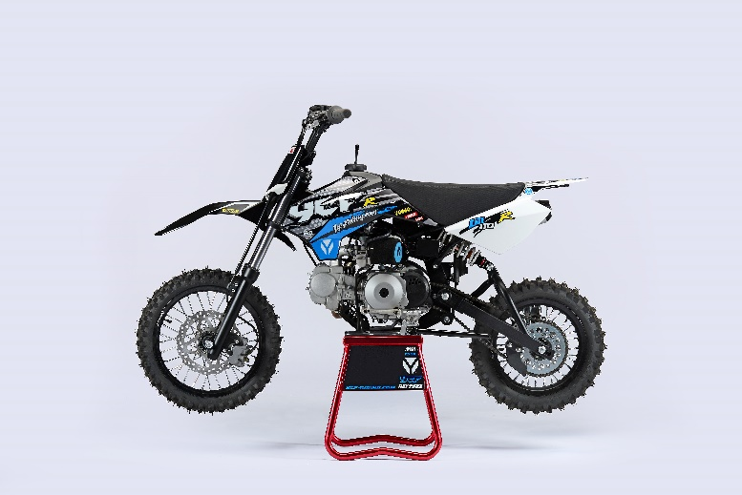
Handle bar assembly
50A = YCF50A
50E = YCF50E
W88E = START W88E
L88 = LITE88 L125 = LITE125
S88S = START F88S
S125S = START F125S
S125SE = START F125SE
S125 = STARTF125
P88 = PILOT 88
P125 = PILOT 125
P150 = PILOT 150
SM125 = START SM125S
SM150 = PILOT SM 150
SP1 = FACTORY SP1
SP2 = FACTORY SP2
SP3 = FACTORY SP3
B125 = BIGY 125MX
B150 = BIGY 150MX
BF150 = BIGY F150MX
BFD190 = BIGY FD190 MX
BFZ190 = BIGY ZE190 MX
S147 = SUNDAY 150
S187 = SUNDAY 190
N° | Ref. | Description | Français | Picture | Qty/Bike | Model
32 | GA-BK | Aluminium Handle Bar "HIGH" (with black pad and pvc ) BLACK | Guidon sans barre alu "HAUT" complet avec mousse et pvc NOIR |  | 1 | SM15020/SP120/SP220/20-S110-R-01
31 | YC110-0131-02 | Complete Bar Pad for Chromolly Handlebar L=250mm BLACK | Mousse guidon complete pour guidon Chromolly L=250mm NOIR |  | 1 | LITE110-RACE/LITE110SE-RACE21
 | YC110-0153-01 | Handle bar plastic cap | Embout plastique de guidon |  | 1 | ALL BIKES 2020
 | YC110-0138-04 | YCF complete Throttle Assy. 2020 with YCF grip + Screw 2020 | Poignee gaz reglable complete YCF 2020 avec Paire de poignée caoutchouc YCF GRIS 2020 + vis reglage |  | 1 | 50A20/S88SE20/L8820/L12520/S12520/S125se20/P12520/P15020/SM12520/B12520/B15020
24 | GB819-M4x12 | Countersunk cross head machine screw M4x12mm | Vis à tête fraisée plate cruciforme M4x12mm |  | 1 | ALL BIKES 1220
25 | GB819-M4x20 | Countersunk cross head machine screw M4x20mm | Vis à tête fraisée plate cruciforme M4x20mm |  | 1 | ALL BIKES 1220
26 | GB70-M6x20 | HEXAGON SOCKET Head Bolt with half thread M6x20mm | Vis Allen (BTR) avec deport M6x20mm |  | 2 | ALL BIKES 1220
 | YC110-01022-06 | Complete SCREW FOR THROTTLE ADJUSTMENT, SIZE M5X50 | VIS M5X50 POUR RÉGLAGE DE LA POIGNÉE DE GAZ complete |  | 1 | 50A20/S88se20/L8820/L12520/S12520/S125se20/P12520/P15020/SM12520/B12520/B15020
33 | PPC011-GY | YCF set of grip GREY 2020 | Paire de poignée caoutchouc YCF GRISE 2020 |  | 1 | ALL BIKES 20
34 | YC110-0135-02 | CNC adjustable bracket with lever 2020 | Cocotte CNC reglage rapide avec levier embrayage 2020 |  | 1 | F125SE1819/F12521/P1251921/P1501921/SM12521/SM1501921/SM19021/SP21921/SP31821/B1251921/B1501921/B150F1821/B190D1821/B190ZE1821/FT1472021/FT1871921
35 | YC110-0151-02 | Rubber on clutch lever adjustable screw 2020 | Caoutchouc levier embrayage molette reglage2020 |  | 1 | F12521/P1252021/P1502021/SM12521/SM1502021/SM19021/SP22021/SP31821/B1252021/B1502021/B150F1821/B190D1821/B190ZE1821/FT1472021/FT1872021
36 | YC110-0136-01 | Rubber on clutch lever | Caoutchouc levier embrayage |  | 1 | F12521/P1251921/P1501921/SM12521/SM1501921/SM19021/SP21921/SP31821/B1251921/B1501921/B150F1821/B190D1821/B190ZE1821/FT1472021/FT1871921
 | YC110-0134-04 | Clutch bracket Assy | Cocotte embrayage complete |  | 1 | F12521/P1252021/P1502021/SM12521/SM1502021/SM19021/SP21821/SP31821/B1252021/B1502021/B150F1821/B190D1821/B190ZE1821/FT1472021/FT1872021
15 | BT08-M6x20-W | HEXAGON Torx screw with Flange M6x20mm | Vis HEXAGONALE Torx avec Flange M6x20mm |  | 2 | ALL BIKES 2021
 | YC110-0103-07 | Clutch lever 2020 (with FB13-8x10x10.5-Cu 1EA FB13-8x10x9.4-Cu 1EA ) complete with bushings and washer | Levier embrayage 2020 (avec FB13-8x10x10.5-Cu 1EA FB13-8x10x9.4-Cu 1EA ) avec entretoises et rondelle |  | 1 | F125L1617/F150L17/F1251421/P1251421/P1501421/SM12521/SM1501421/SM19021/SP11417/SP21421/SP31421/B12521/B15021/B150F21/B190D21/B190ZE21/FT14721/FT18721
18 | 27-06025B | Clutch Stepped bolt M6x25mm for clutch lever | vis cloche embrayage M6x25mm pour Levier embrayage |  | 1 | F125L1620/F1251221/P1251421/F150L17/P1501421/SM12521/SM1501220/SM19021/SP11217/SP21221/SP31221/B1251921/B1501921/B150F1921/B190D1921/B190ZE2021
19 | 6183-06000B | Cltch Self-lock Nut M6 | ecrou cloche embrayage M6 pour Levier embrayage 2020 |  | 1 | F125L1621/F1251221/P1251421/F150L17/P1501421/SM12521/SM1501220/SM19021/SP11217/SP21221/SP31221/B1251921/B1501921/B150F1921/B190D1921/B190ZE2021/FT1472021/FT1871921
21 | YC110-0107 | Clutch Cable Assy. L=900mm A+B=93mm, non-adjustable | Cable embrayage L=900mm A+B=93mm,Non réglable |  | 1 | SM12521/SM15021
12 | YC110-0105-06 | Kill Switch ON/OFF L=580mm | Coupe circuit on off L=580mm |  | 1 | SPAIN160 SM12521
13 | YC110-0106 | Throttle Cable L=840mm A+B=120mm(FOR NIBBI PE19) | Cable gaz L=840mm A+B=120mm(POUR NIBBI PE19) |  | 1 | F125L2021/F125S1321/F1252021/F125SE1521/P1251321/P1501221/SM1251321/SM1501321/SP11217/SP21221/B1251719/B1501719/B150F1719/B190D1719/B190ZE1819/FT1471821/FT1871821
 | YC110-0143-01 | RUBBER ON THROTTLE CABLE | Protection caoutchouc cable de gas |  | 1 | ALL BIKES 1721 (BUT electric)
20 | YC110-01-03-BK | Cable tie L=150mm BLACK | Collier maintien cable L=150mm NOIR |  | 3 | ALL BIKES

Steering stem assembly

N° | Ref. | Description | Français | Picture | Qty/Bike | Model
25 | YC110-02-056-BK | Complete Triple Clamp LITE adjustable bar mount, L=160mm 2021 BLACK Steering stem L=220mm | Te Fourche Complet LITE pontet ajustable L=160mm 2021 NOIR tige colonne direction L=220mm |  | 1 | 20-S110-R-01
1 | YC110-0201-06 | Steering stem L=220mm | tige colonne direction L=220mm |  | 1 | 20-S110-R-01
2 | YC110-0202-52-BK | Lower triple clamp 160mm d.33mm H=18mm 2020 MATT BLACK | té fourche inferieur 160mm d.33mm H=18mm 2020 NOIR MAT |  | 1 | LITE8820/LITE12520
3 | YC110-0201-52-BK | Top Triple Clamp 160mm d.33mm H=18mm 2020 MATT BLACK | té fourche supérieur 160mm d.33mm H=28mm2020 NOIR MAT |  | 1 | LITE8820/LITE12520
26 | YC110-0203-035 | Set of Bar mount not adjustable d22.2mm/bottom 55mm START Type BLACK （with GB70-M10x50x1.5W 2EA+BT08-M8x30-W 4EA） | jeu pontet guidon non ajustable d 22.2mm / pontet bas 55mm Type START NOIR （with GB70-M10x50x1.5W 2EA+BT08-M8x30-W 4EA） |  | 1 | W88E20/L8820/S88SE20/L12520/S12520/S125SE20/P12520/P15020/SM12520/SM15020/SP220/B12520/B15020/BFZ19020
4 | YC110-0203-32 | 2020 Lower Bar Mount CNC START type, not adjustable d.22.2 H=55mm BLACK | Pontet guidon inférieur non ajustable type START d.22.2 H=55 mm NOIR 2020 |  | 2 | W88E20/S88SE20/L8820/L12520/S12520/S125SE20/P12520/P15020/SM12520/SM15020/SP220/B12520/B15020/BFZ19020
5 | YC110-0201-02 | 2020 Top Bar Mout CNC d.22.2 mm/height H=18mm START Type BLACK | pontet guidon supérieur 2020 d.22.2mm H=18mm Type START NOIR |  | 2 | 50A20/50E20/W88E20/L8820/L12520/S88SE20/S12520/S125SE20/P12520/P15020/SM12520/SM15020/SP2/B12520/B15020/BFZ19020
15 | BT08-M8x30-W | HEXAGON Torx screw with Flange M8x30mm | Vis HEXAGONALE Torx avec Flange M8x30mm |  | 4 | W88E20/S88SE20/L8820/L12520/S12520/S125SE20/P12520/P15020/SM12520/SM15020/SP220/SP320/B12520/B15020/BFD19020/BFZ19020
16 | BT08-M6x25-W | HEXAGON Torx screw with Flange M6x25mm | Vis HEXAGONALE Torx avec Flange M6x25mm |  | 8 | ALL BIKES 20
14 | GB70-M10x50x1.5W | HEXAGON SOCKET Head Bolt with half thread M10x50mmx1.5mm | Vis Allen (BTR) avec deport M10x50mmx1.5mm |  | 2 | W88E20/S88SE20/L8820/L12520/S12520/S125SE20/P12520/P15020/SM12520/SM15020/SP220/B12520/B15020/BFZ19020
6 | YC110-0212-07-BK | Front Number Plate complete 2014 BLACK | PLAQUE AVANT complete 2014 NOIR |  | 1 | W88E20/S88SE20/L8820/L1251720/S12520/S125S1419/S125SE1420/P1251420/P1501420/SM125s1420/SM1501420/SP11417/SP21420/SP31420
20 | BT08-M6x10-W | HEXAGON Torx screw with Flange M6x10mm | Vis HEXAGONALE Torx avec Flange M6x10mm |  | 1 | ALL BIKES 20
 | GB97-d12-W | Flat washer d12 | Rondelle d12 |  | 1 | ALL BIKES2020
27 | KRDIRECTION46 | set of bearing for steering 46/23.5、46/22 | kit rlt colonne direction 46/23.5、46/22 |  | 1 | 50A20/50E20/W88E20/S88SE20/L8820/L12520/125S1519/S125SE1520/P1251320/P1501320/SM1251320/SM1501320/SP11117/SP21220/SP31220/B1251720/B1501720/BF1501720/BFD1901720/BFZ1901720/S1471820/S1871820
9 | YC110-02-09 | Top nut for steering d54.5mm | écrou crantellé colonne direction d54.5mm |  | 1 | ALL BIKES 1220
10 | YC110-02-10 | Washer for steering stem nut d22.5mmxd36mmx0.7mm | joint colonne direction d22.5mmxd36mmx0.7mm |  | 2 | ALL BIKES 1220
11 | YC110-02-11 | Nut for steering stem M22 | écrou supérieur colnne direction M22 |  | 1 | ALL BIKES 1220
13 | YC110-0214-01-WH | YCF Break Line Retainer White with screw and washer（with GB9074.5-M4x10-W 1EA ） | Guide durite sur plaque avant avec vis et rondelle YCF Blanc |  | 1 | 50A20/50E20/W88E20/S88SE20/L8820/L1251620/S125SE1520/P1251420/P1501420/SM1251420/SM1501420/SP11417/SP21420/SP31420/B1251720/B1501720/BF1501719/BFD1901720/BFZ1901720
 | YC110-0213-12 | Front plastic plate to hold cables 75mmx80mm | Plaque avant plastique maintien cables 75mmx80mm |  | 1 | ALL BIKES 20
30 | YC110-0213-13 | Number plate bracket 18mmx93mm H=18mm LITE110-RACE 2021 | support plaque avant 18mmx93mm H=18mm LITE110-RACE 2021 |  | 1 | LITE110-RACE21/LITE110SE-RACE21
31 | GBT5787-M6x16-3 | HEXAGON screw with Flange with half thread M6x16mmx3mm | Vis HEXAGONALE avec Flange et deport M6x16mmx3mm |  | 1 | ALL BIKES 1620
 | YC110-01-08-BK | Cable tie ADJUSTABLE BLACK | Collier maintien cable AJUSTABLE NOIR |  | 1 | ALL BIKES 20
 | YC110-02-20 | Washer for steering stem nut d22mm (top)/d24mm (bottom)-d47mm | Joint pour colonne direction d22mm (haut)/d24mm (bas) -d47mm |  | 1 | S1251420/S125S1419/S125SE1420/P1251420/P1501420/SM1251420/SM1501420/SP11417/SP21420/SP31420/B1251720/B1501720/BF1501719/BFD1901720/BFZ1901820/S1471820/S1871820

Front Fender

N° | Ref. | Description | Français | Picture | Qty/Bike | Model
1 | YC110-032-02-BK | YCF Front Fender 2020 (short) Black | GARDE BOUE AVANT 2020 (Court) Noir |  | 1 | W88E20/S88SE20/L12520/S125SE20/S12520/P12520/P15020/SM12520/SM15020/SP220/SP320
2 | GBT5787-M6x16-6 | Hex. Bolt with flanged M6x16mm (spacer 6mm) | vis M6x16mm (deport 6mm) |  | 3 | 50A20/50E20/W88E1820/S88SE1820/L8820/L12520/S12520/S125SE1820/P1251820/P1501820/SM1251820/SM1501820/SP21820/SP31820/B1251820/B1501820/BF1501719/BFD19017820/BFZ1901820
 | GBT5787-M6x16-3 | HEXAGON screw with Flange with half thread M6x16mmx3mm | Vis HEXAGONALE avec Flange et deport M6x16mmx3mm |  | 2 | 50A20/50E20/W88E1820/S88SE1820/L8820/L12520/S12520/S125SE1820/P1251820/P1501820/SM1251820/SM1501820/SP21820/SP31820/B1251820/B1501820/BF1501719/BFD19017820/BFZ1901820

Front & Rear absorber

N° | Ref. | Description | Français | Picture | Qty/Bike | Model
24 | YC110-0400-11 | Pair of fork (not adjustable) L125 2016 | Jeu de fourche L125 2016 |  | 1 | L1251620/L15017
1 | YC110-0401-10 | Front right fork (not adjustable) L125 2016 | Tube fourche droit L125 2016 |  | 1 | L1251620/L15017
2 | YC110-0402-10 | Front left fork (not adjustable) L125 2016 | Tube fourche gauche L125 2016 |  | 1 | L1251620/L15017
4 | YC110-0404-70 | Shock absorber 270mmx350LBS DNM | Amortisseur 270mmx350LBS DNM |  | 1 | 20-S110-R-01
16 | YC110-0427-03 | Shock bottom spacer d12mmxd17mmx19.5x6mm T=3 | Entretoise amortisseur pour bras mono d12mmxd17mmx19.5x6mm T=3 |  | 4 | 20-S110-R-01
...
N° | Ref. | Description | Français | Picture | Qty/Bike | Model
16 | YC110-16-041-BK | frame engine pads right LITE BLACK | patte de cadre droite LITE NOIRE |  | 1 | S1251320/S125SE1520/S125S1319/SM1251320
5 | GB97-d10-W | Flat washer d10mmxd17mmx2mm for Chain tensioner | rondelle d10mmxd17mmx2mm pour roulette chaine |  | 1 | ALL BIKES 1120
6 | GB91-d2x25-W | cotter pin d2.0mmxd25mm for Chain tensioner | goupille d2.0mmxd25mm pour roulette chaine |  | 1 | ALL BIKES 1320
8 | BT08-M8x70-W | HEXAGON Torx screw with Flange M8x70mm | Vis HEXAGONALE Torx avec Flange M8x70mm |  | 2 | S88SE20/S12520/125se20/SM12520
9 | BT08-M8x110-W | HEXAGON Torx screw with Flange M8x110mm | Vis HEXAGONALE Torx avec Flange M8x110mm |  | 1 | L8820/L15020/S88SE20/S12520/S125SE20/P12520/P15020/SM12520/SM15020
9 | BT08-M8x105-W | HEXAGON Torx screw with Flange M8x105mm | Vis HEXAGONALE Torx avec Flange M8x105mm |  | 1 | 50A/S88SE20/L8820/L12520/S125SE20/S12520/P12520/P15020/SM12520/SM15020/SP220/SP320/B12520/B15020/BFD19020/BFZ19020/S14720/S18720
10 | GB6187-M8-W | HEXAGON FLAT FLANGE LOCK NUT M8 | Ecrou HEXAGONAL avec Flange autobloquant M8 |  | 4 | ALL BIKES 1220
12 | BT08-M8x16-W | HEXAGON Torx screw with Flange M8x16mm | Vis HEXAGONALE Torx avec Flange M8x16mm |  | 4 | 50A20/50E20/W88E20/S88SE20/L8820/L12520/S1251320/S125SE20/SM12520

FRONT SPROCKET PROTECTION
 |  | 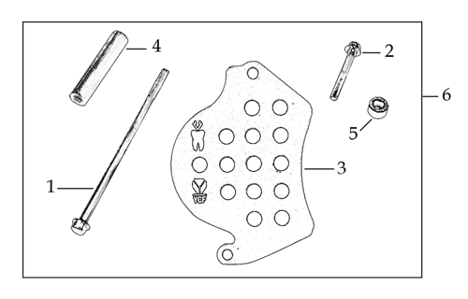
N° | Ref. | Description | Français | Picture | Qty/Bike | Model
 | YC110-2004-01-GY | Complete YCF Crankcase Cover, LH for kick start engine GREY | CARTER ALLUMAGE complet YCF pour moteur demarage avec kick GRIS |  | 1 | LITE8823/LITE12523/START12523/START125S23/PILOT12523/SM12523/SM15523/SM19023/BIGY12523/BIGY15023/SP223/SP319023/BFD1923/S18723
 | YC110-1803-02-BK | YCF BI-MATERIEL Front Sprocket plastic cover for kick start engine | Protection COMPOSITE YCF PSB pour moteur demarage avec kick |  | 1 | LITE8823/LITE12523/START12523/START125S23/PILOT12523/SM12523/SM15523/SM19023/BIGY12523/BIGY15023/SP223/SP319023/BFD1923/S18723
 | YC110-2014-01-BK | YCF Aluminium Cap Big View Hole BLACK | Bouchon carter allumage CNC YCF NOIR |  | 1 | LITE8823/LITE12523/START12523/START125S23/PILOT12523/SM12523/SM15523/SM19023/BIGY12523/BIGY15023/SP223/SP319023/BFD1923/S18723
 | YC110-2019 | O-Ring d22x1.9 | Joint toriqued22x1.9 |  | 1 | LITE8823/LITE12523/START12523/START125S23/PILOT12523/SM12523/SM15523/SM19023/BIGY12523/BIGY15023/SP223/SP319023/BFD1923/S18723
 | GB5787-M6x40-Cr | HEXAGON screw with Flange M6x40mm | Vis HEXAGONALE avec Flange M6x40mm |  | 1 | LITE8823/LITE12523/START12523/START125S23/PILOT12523/SM12523/SM15523/SM19023/BIGY12523/BIGY15023/SP223/SP319023/BFD1923/S18723
 | GB5787-M6x25-Cr | HEXAGON screw with Flange M6x25mm | Vis HEXAGONALE avec Flange M6x25mm |  | 1 | LITE8823/LITE12523/START12523/START125S23/PILOT12523/SM12523/SM15523/SM19023/BIGY12523/BIGY15023/SP223/SP319023/BFD1923/S18723

GRAPHICS
...

